Bug 4
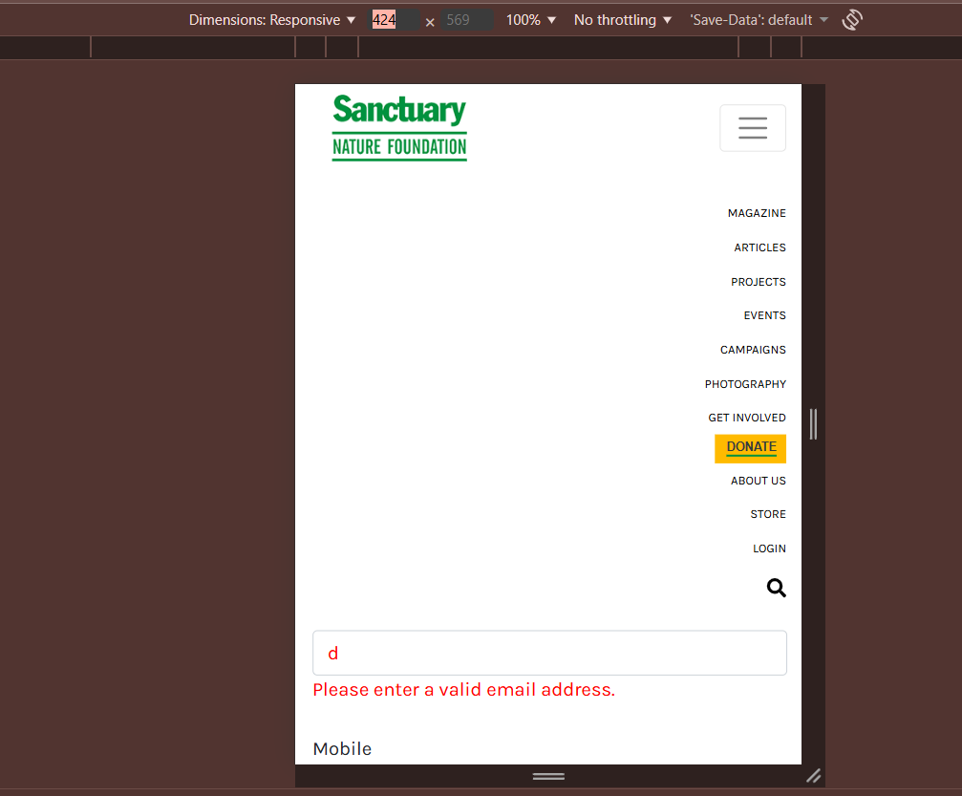
Bug Report
Bug ID | Bg_04
Bug Name | Menu bar content shifts to right corner in mobile resolution
Bug Description | In mobile resolution, when the user clicks on the menu, the menu content shifts to the right corner instead of displaying properly aligned within the screen.
Steps to reproduce | 1.Open the application in browser. 2.Switch to mobile resolution (e.g., 375x667 using DevTools). 3.Click on the menu (hamburger) icon. 4.Observe the alignment of the menu content
Actual Result | Menu content shifts to right corner attached screen shot for your reference.
Expected result | Menu content must be alighned properly to left corner
Test Case ID | TC_04
Status | New
Severity | Medium
Priority | High
Reproducibility | Persistance/ always
Screen shot

